Form1
SHIBAURA INSTITUTE OF TECHNOLOGY |  |  |  |  | FORM1
Application Form for Global PBL

Face photo
Paste digital image taken
within the past
6 months.
INSTRUCTIONS
●The application form should be typewritten except applicant's signature.
●Numbers should be in Arabic figures.
●Proper nouns should be written in full, and not be abbreviated.

1. Full Name *please provide as shown in the passport 〔in Roman block capitals〕
First name
Last name
Middle name

2. Nationality
3. Gender | -
4. Date of Birth (MM/DD/YYYY) | Month | Day | Year
5. Current Home Address | Zip cord: |  | Address:
6. Email Address |  | @
7. Phone Number | Country code: |  | Tel:
8. Passport Information
Number
Date of Issue (MM/DD/YYYY) | Month | Day | Year
Date of Expiry (MM/DD/YYYY) | Month | Day | Year

9. Name of University and Department *please provide your home university.
University
Department/Major
Current Status | - |  | Year | -

10. English Skills (If English is not your first language) |  |  | Score | Acquisition date
 | TOEIC |  |  | MM/DD/YYYY
 | TOEFL *Choose the type of tests | - |  | MM/DD/YYYY
 | IELTS |  |  | MM/DD/YYYY
 | Others |  |  | MM/DD/YYYY
 | English is my 1st language

11. Emergency Contact Details (Family)
First name
Last name
Address
Country
Tel
Relationship | ex. Mother

12. Useful Information | Before coming to Japan, please read over "Gate way to study in Japan" in the following URL. You can select your language to read it.

 | http://www.g-studyinjapan.jasso.go.jp/en/modules/pico/index.php?cat_id=19

13. NOTE(If any)

Form3
 |  |  | FORM3

2.自己推薦書 Self-Recommendation Form (for Student Exchange Support Program)
"Self-Recommendation Form"

すべての欄にもれなく入力してください。印刷後は、署名欄に必ず自筆で署名してください。 Please fill out all boxes through data entry. After printing out the form, please sign the signature box by hand.
 |  | (大学等記入欄) (For Official Use)
 |  | 自己推薦書No.

記入日 Date (month/day/year)

学生氏名 （ローマ字） Name of Student | 在籍大学等名 Name of Home School

学業・成績について、プログラムとの関連が明確にわかるように、できるだけ具体的に記載してください。
記載内容例：
・本プログラムのテーマである○○分野において、成績が前期は○.×であったが、後期は○.○に伸びている。
・日本語能力について、前年は○○検定で×級だったが、今年は□級に合格した。
・本プログラムのインターンシップ先である△△に関する論文を発表し、高い評価を得ている。
With regard to academic performance, please list your information in the greatest detail possible in order to clarify the ties with this program.
Entry examples:
- In the ___ field targeted as the program theme, while my performance in the first term was X.X, I improved to X.XX in the second term.
- Regarding my Japanese language proficiency, while I was qualified for the level X of the Y test the preceding year, this year I qualified for the Z level.
- I presented a paper regarding XX, the host for the program internships, for which I received high evaluations.
自己推薦内容として、以下の１．２．について記入してください。
１．学業・成績に関して、特筆すべきこと（得意分野、語学力、学習態度、学習・研究歴など。学会・論文等の発表歴・受賞歴等も、あれば記載してください。） 1. Key Highlights of Academic Performance (Area of strength, language skills, learning attitude, study and research history, etc. Please also include any papers or other works presented at academic conferences, honors received or other notable achievements.)

プログラムとの関連が明確にわかるように、かつ参加への熱意が十分に伝わるように、具体的に記入してください。
・参加志望理由
・このプログラムに参加することで達成したい具体的な目標
Please enter in specific detail to fully clarify the ties with this program and to fully convey your eagaerness for study in Japan.
- Reasons for wishing to study in Japan
- The specific goals that you hope to achieve through this program
２．参加を志望した理由と、このプログラムで達成したい具体的な目標 2. Reasons for Wishing to Study in Japan, and What You Hope to Achieve through this Program

学生署名欄（自筆のみ）Signature of Student (Handwritten signatures only)

※ご記入いただいた情報は、日本学生支援機構または日本国政府が行う留学生支援のために必要な業務に利用されます。また、行政機関及び公益法人等から奨学金の重複受給の防止等のために照会があった場合は、必要に応じ、適正な範囲内においてこの情報が提供されます。 Note: The Japan Student Services Organization (JASSO) or the Japanese government will use the information entered on this form in processing and other operations required for providing proper support to international students. In the event of inquiries from government agencies, nonprofit foundations or other organizations for the purpose of preventing overlapping scholarships or other valid reasons, this information may also be supplied to an appropriate extent as deemed necessary.

Form4
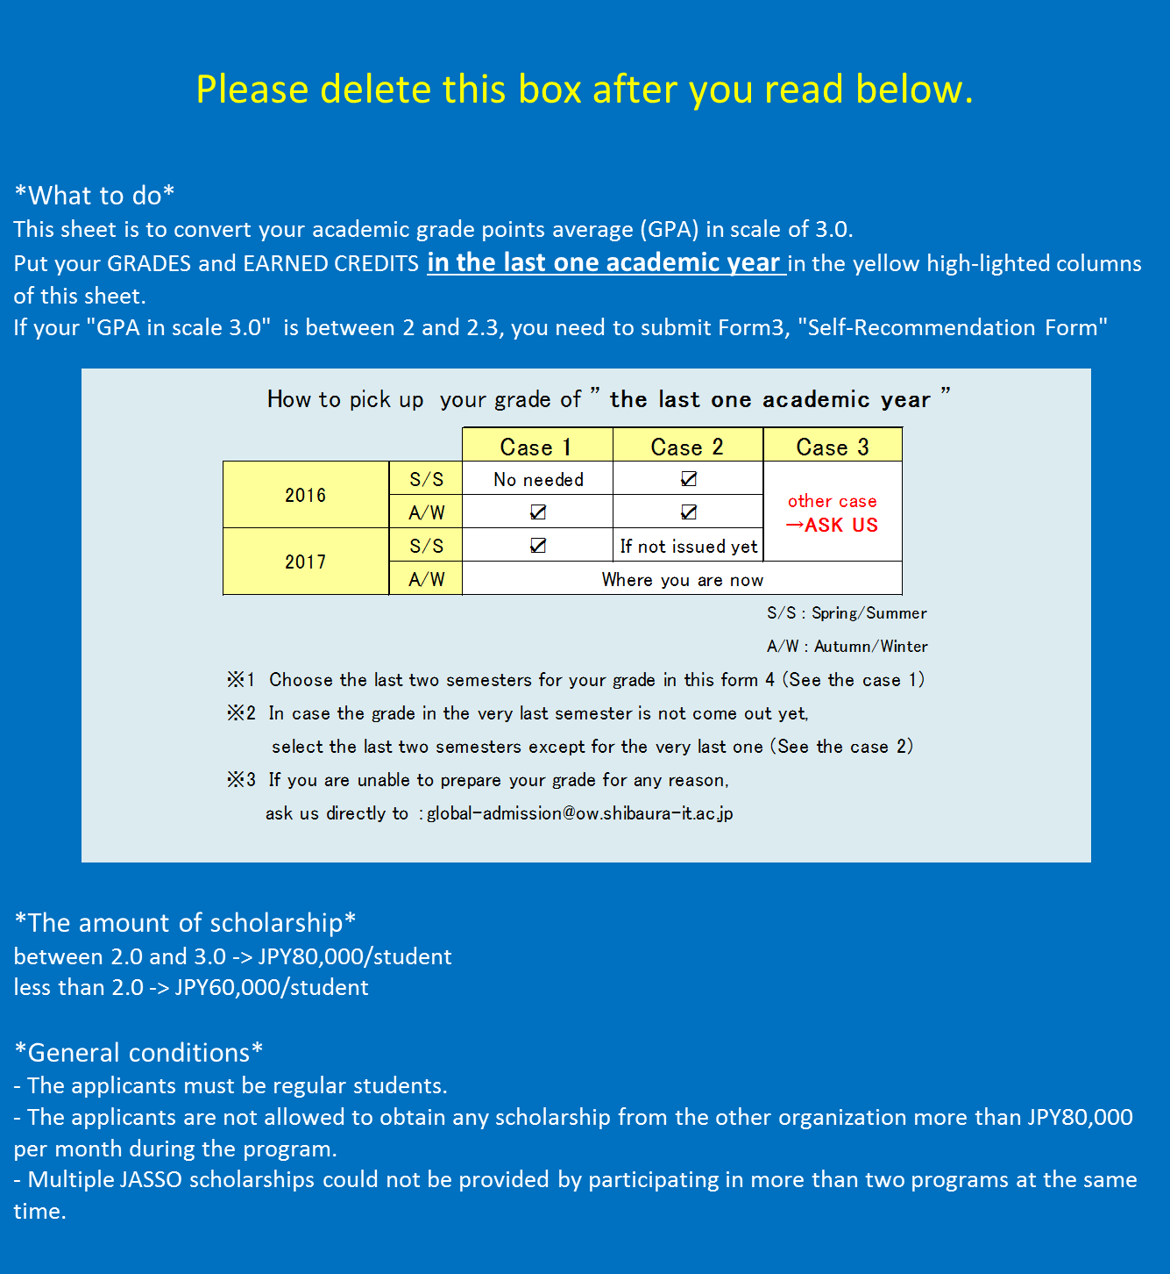
GPA Conversion Tool to apply for JASSO Scholarship
[Note]
This tool is to convert your academic grade points average (GPA) in 3.0 scale. By putting your grades and earned credits in the last academic year in the yellow high-lighted columns below, it will show your calculated GPA in 3.0 scale.

 |  | <Conversion Tool> Put your academic grades and earned credits from pull down lists from yellow high-lighted columns below:

Please choose your academic scores from pull down lists in yellow high-lighted cells.
GPA scale |  | # | 1) Academic Grade | 2) Converted grade point | 3) Earned Credits | 4) Quality point 2) * 3) =
1) Grade | 2) Grade point | Example | A | #N/A | 3 | #N/A
 |  | 1 | - | #N/A | 1 | #N/A
 |  | 2 | - | #N/A | 0 | #N/A
 |  | 3 | - | #N/A | 0 | #N/A
 |  | 4 | - | #N/A | 0 | #N/A
 |  | 5 | - | #N/A | 0 | #N/A
 |  | 6 | - | #N/A | 0 | #N/A
 |  | 7 | - | #N/A | 0 | #N/A
 |  | 8 | - | #N/A | 0 | #N/A
 |  | 9 | - | #N/A | 0 | #N/A
 |  | 10 | - | #N/A | 0 | #N/A
 |  | 11 | - | #N/A | 0 | #N/A
 |  | 12 | - | #N/A | 0 | #N/A
 |  | 13 | - | #N/A | 0 | #N/A
 |  | 14 | - | #N/A | 0 | #N/A
 |  | 15 | - | #N/A | 0 | #N/A
 |  | 16 | - | #N/A | 0 | #N/A
 |  | 17 | - | #N/A | 0 | #N/A
 |  | 18 | - | #N/A | 0 | #N/A
 |  | 19 | - | #N/A | 0 | #N/A
 |  | 20 | - | #N/A | 0 | #N/A
 |  | 21 | - | #N/A | 0 | #N/A
 |  | 22 | - | #N/A | 0 | #N/A
 |  | 23 | - | #N/A | 0 | #N/A
 |  | 24 | - | #N/A | 0 | #N/A
 |  | 25 | - | #N/A | 0 | #N/A

 |  | *GPA in scale 3.0 |  |  | #N/A
 |  | *Note: Sum of Quality points 4) divided by Sum of Earned Credits 3) is GPA in 3.0 scale
How to see the result
<Resulted GPA>
1) | Being equal to or greater than 2.3 |  | Please just fill in the result in the application form
2) | Being equal to or greater than 2.0 but less than 2.3 |  | Please fill in the result in the application form and also fill out a "Self-Recommendation Form" in next sheet of this file
3) | Less than 2.0 |  | Please fill in the result in the application form

